Menu 1 - Duck
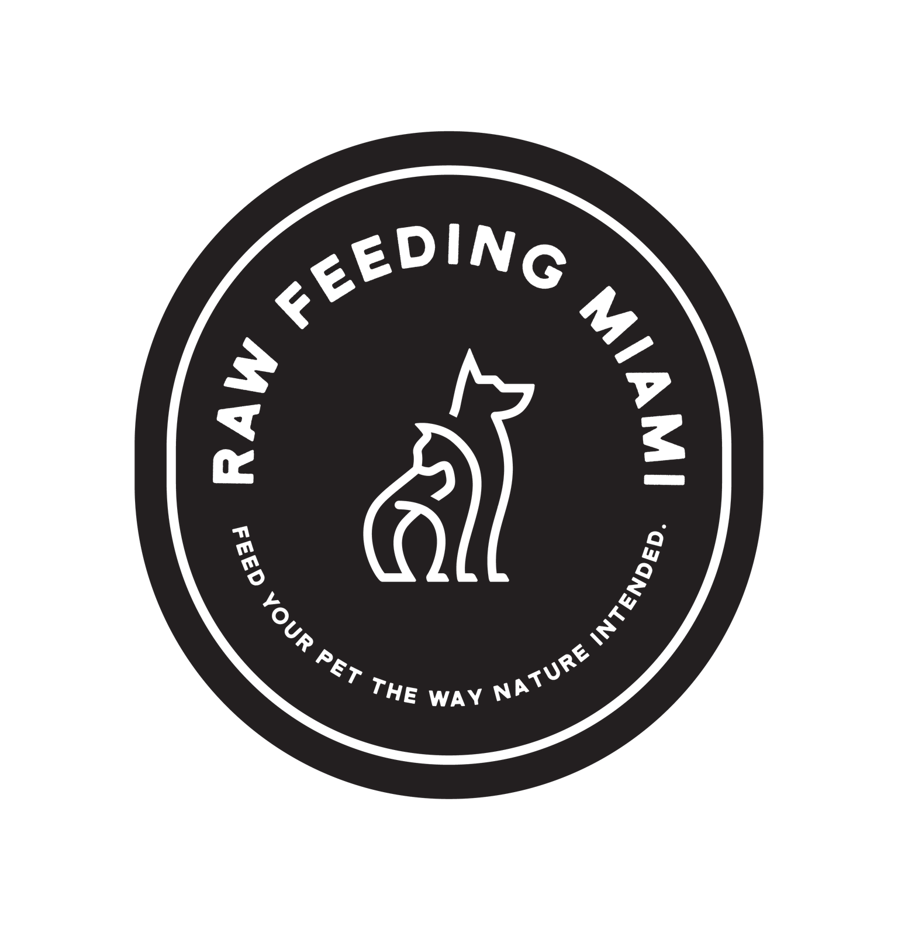

Menu |  | Duck Grind
Lifestage |  | Puppy Development
Ideal Body Weight |  |  | LB
Feeding Percentage
Daily Intake - in ounces |  | 0.00 | OZ
Daily Intake - in grams |  | #VALUE! | G
Daily Calories |  | 0 | KCAL

Duck Grind
80/10/10 Base
 | 0.00 | OZ
 | 0.0 | G
 | 0.0 | KCAL
Green Tripe, whole or ground
Muscle Meat
 | 0.00 | OZ
 | 0.0 | G
 | 0.0 | KCAL
Beef Heart
Muscle Meat
 | 0.00 | OZ
 | 0.0 | G
 | 0.0 | KCAL
Monster Mash
Secreting Organs
 | 0.00 | OZ
 | 0.0 | G
 | 0.0 | KCAL
Salmon, whole or ground
Seafood
 | 0.00 | OZ
 | 0.0 | G
 | 0.0 | KCAL
Broccoli, raw pureed or steamed
Vegetable
 | 0.00 | OZ
 | 0.0 | G
 | 0.0 | KCAL
Flaxseed Oil
Healthy Fat
 | 0.00 | TSP
 | 0.0 | G
 | 0.0 | KCAL

Supplement
 | error | error
 | error | error
 | 0.0 | KCAL
NOW Vitamin E (31.6IU/drop)
Supplement
 | 0.00 | DROP
 | 0.0 | DROP
 | 0.0 | KCAL

Supplement
 | error | error
 | error | error
 | 0.0 | KCAL

Day 1 Menu Ratio Breakdown

 | Muscle Meat | 0.0 | G
 | Edible Bone | 0.0 | G
 | Organs | 0.0 | G
 | Produce | 0.0 | G
 | Seafood | 0.0 | G
 | Supplements | #VALUE! | G

80/10/10 Duck Grind Guaranteed Analysis

 | Protein, minimum |  | 15%
 | Fat, minimum |  | 11%
 | Fiber, minimum |  | 0%
 | Ash, maxmium |  | 7%
 | Moisture, maximum |  | 66%
 | Kcal per Kilogram |  | 1670

